Critical
 | WeChat Mobile 2 - User Testing
Critical | Product: CFD (English & Chinese) • Watchlist • Trade • Order Status • Portfolio • Outstanding Pos
 | Tested by: Gillian
Item/Function/Module | Test issue Description | Update | Type/Status | Screenshots | 2017-11-9/Status
Trade | If done order: Limit order number field is missing | Fixed | in progress
Trade | Trailing Stop limit order: Traling step (%) is missing, 'Trace step' is wrong. CFD product was turned off, unable to grab screen. Attached correct screenshot from current mobile 2.0 | Still displaying incorrect label. Screenshot attached. | in progress | 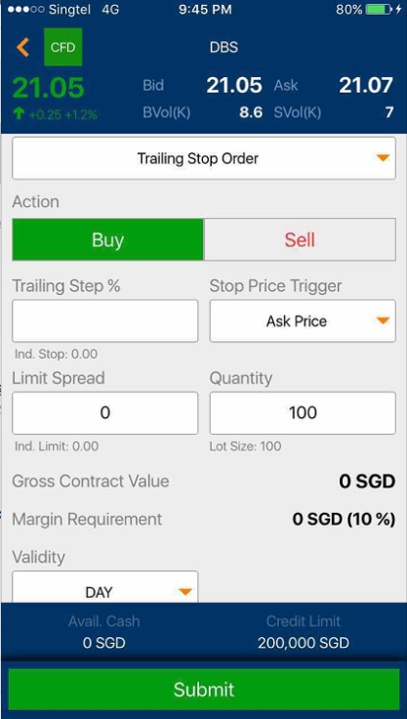 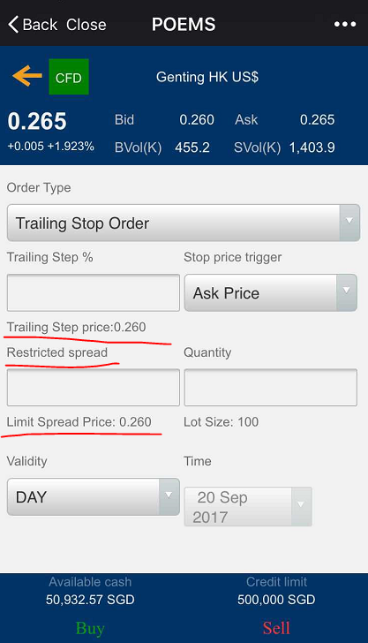 | ok/Done
Trade | Contingency Order: Contract code field is missing | Upon first time tap on contract field, searchbox appeared was unable to type inside. No response, only if go back and tap again, it's able to type and search for counters. | in progress |  | ok/Done note:没测试到
Trade | All orders for CFD and DMA: Expiry to be changed to Validity to be consistent with other platforms | Fixed | in progress
Portfolio | CFD Portfolio: Product icon on top is truncated. Icon display only CF instead of CFD | Fixed | done
Order Status | Order status detail: Trade Type and Settlement Currency is not applicable for CFD&DMA | Fixed | in progress
Portfolio | 1. Use Account Summary instead of Account Details - Fixed 2. Positions instead of Investment portfolio - Fixed 3. When there's no outstanding position, do not display CFD and DMA grouping. Can show message in the middle of the empty screen as current Mobile 2.0 - You have no outstanding positions. - There's no DMA position, grouping label of DMA still appears, able to remove? 4. Portfolio headers should follow mobile2.0, eg, Mark Market is wrong. - Label still wrong. Mark Market -> Mark to Market. On the otherhand, width for each column is too wide, eg. Quantity. This might have impact to all products, Vincent please help to confirm if want to change. 5. Under both Account Summary and Portfolio, PL should be P/L. - Fixed | refer to comments | in progress | 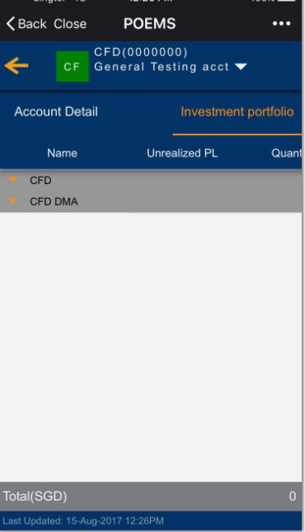 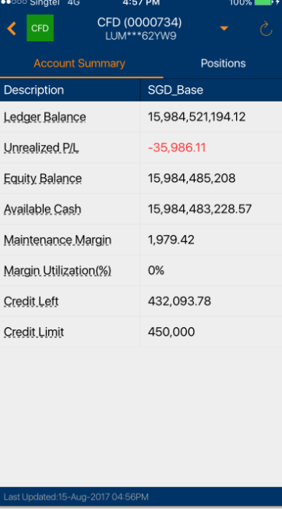 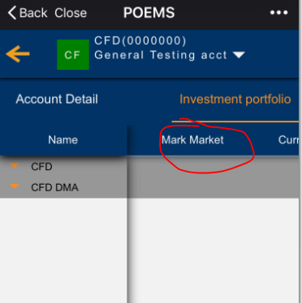 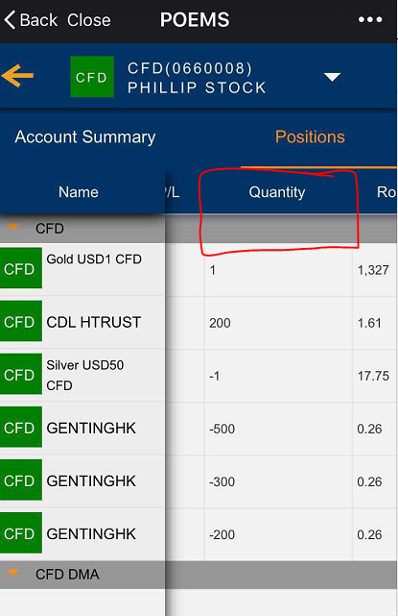 | ok/Done
Trade | Price Change in red color, but % sign in white color. | now if price change, |  | 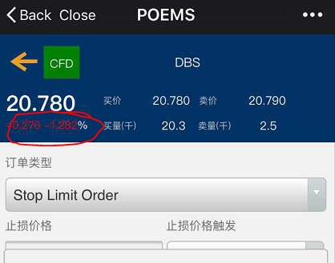 | ok/Done
Watchlist | search able to find CFD contracts but product selection couldn't find CFD | Fixed | done | 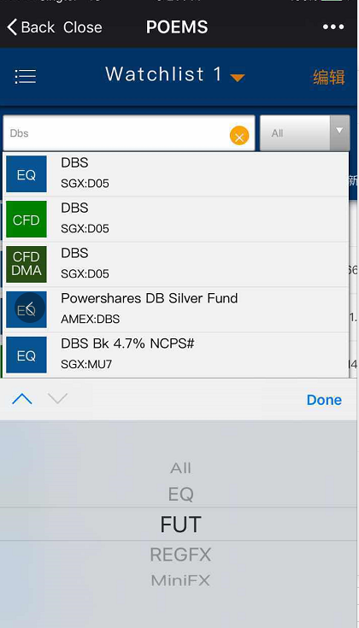
Portfolio - Chinese | 未实现盈亏 数量 平均交易价格 平均展期价格 市场价格 |  | in progress | 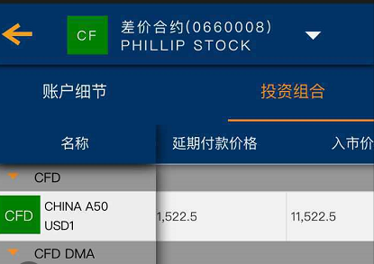
Watchlist | 1.For CFD Index market, code to be displayed should be <company code> instead of <symbol code>, refer to current Mobile 2.0 2.Price is not updating, known issue? (used 660008 live account) | not fixed. |  | 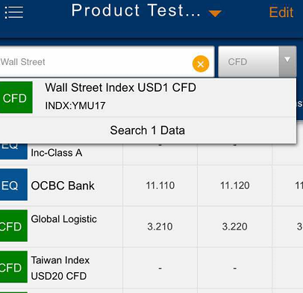 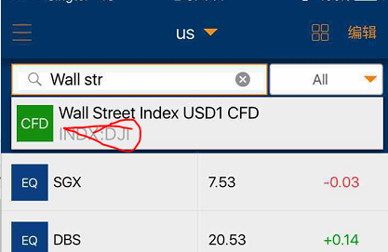 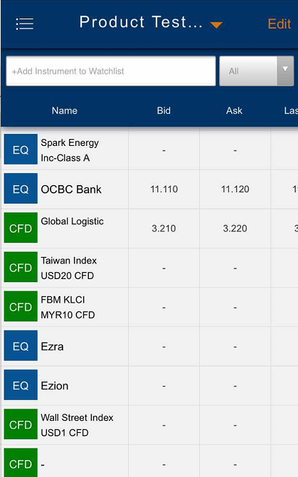 | 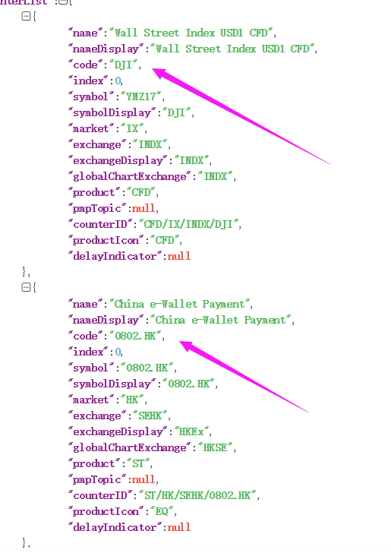 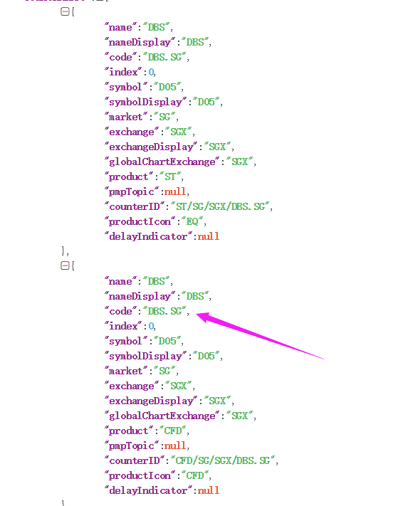 note:返回的数据是对还是错？ 正确按哪个字段？

Trade | Under Order Status Detail, GTD is not showing expiry date. |  |  | 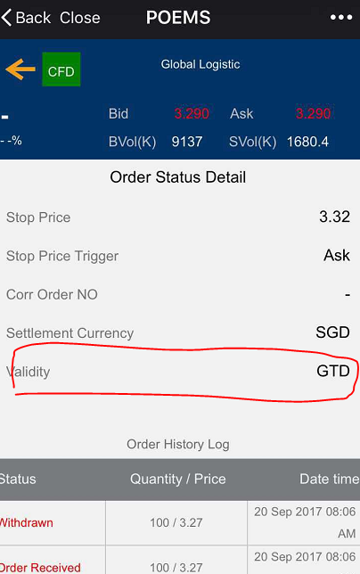 | ok/Done
Trade | Trailing stop order: indicative calculation is wrong. If you require logic from me, kindly let me know. |  |  | 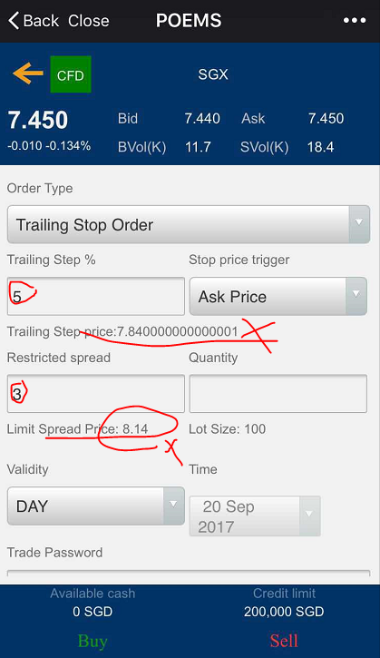 | ok/Done

Non-Critical
 | WeChat Mobile 2 - User Testing
Non-Critical | Product: CFD (English & Chinese) • Watchlist • Trade • Order Status • Portfolio • Outstanding Pos
 | Tested by: Gillian
Item/Function/Module | Test issue Description | Type/Status | Screenshots
Portfolio - Chinese | 账户概要： 分类账余额 未实现盈/亏 结算余额 |  | 